Results
Scoring

Combine your scores for the statements on the other sheet as indicated below:
Note : Each statement is out of three with 3 for USUALLY, 2 for SOMETIMES and 1 for Rarely

Dysfunction 1 |  | Dysfunction 2 |  | Dysfunction 3 |  | Dysfunction 4 |  | Dysfunction 5
Absence of Trust |  | Fear of Conflict |  | Lack of commitment |  | Avoidance of accountability |  | Inattention to results
Statement 4 | 0 | Statement 1 | 0 | Statement 3 | 0 | Statement 2 | 0 | Statement 5 | 0
Statement 6 | 0 | Statement 7 | 0 | Statement 8 | 0 | Statement 11 | 0 | Statement 9 | 0
Statement 12 | 0 | Statement 10 | 0 | Statement 13 | 0 | Statement 14 | 0 | Statement 15 | 0
Total | 0 | Total | 0 | Total | 0 | Total | 0 | Total | 0

A score of 8 or 9 in any one of the five areas is a probable indication that the dysfunction is not a problem for your team
A score of 6 or 7 in one of the five areas indicates that the dysfunction could be a problem
A score of 3 to 5 in an area is an indication that the dysfunction needs to be addressed

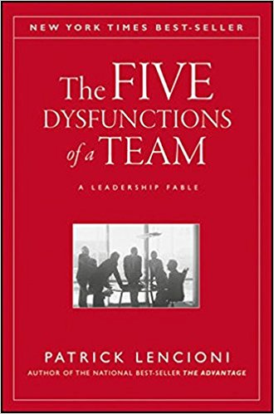
Regardless of your scores, it is important to keep in mind that every team needs constant work, because without it, even the best ones
deviate towards dysfunction

Source of exercise : Patrick Lencioni - The Five Dysfunctions of a Team
Read or listen to this book as a starting point to addressing the issues you have identified
Click on the link below to order yourself a copy
https://amzn.to/2vcrKu4

